ورقة1
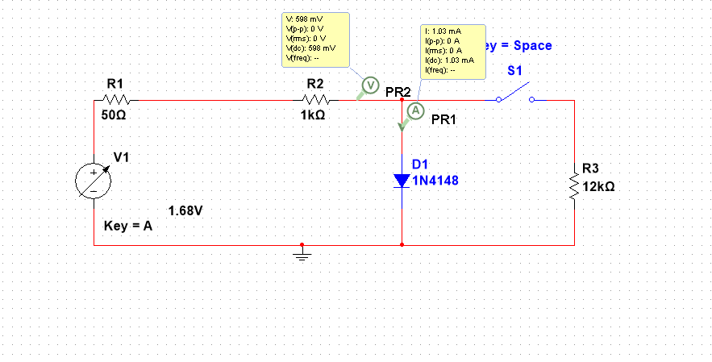

Id/mA | Vcc/V | Vd1/V | Rsh/KΩ | Vd2/V | ΔVd/V | ΔId/mA | Rd/Ω
 |  |  |  |  | =Vd2-Vd1 | =-VD2/Rsh | =ΔVd*1000/ΔId
10 | 11.28 | 0.672 | 1.5 | 0.670 | -0.002 | -0.4467 | 4.4776
7 | 7.92 | 0.657 | 2.2 | 0.655 | -0.002 | -0.2977 | 6.7176
5 | 6.00 | 0.646 | 2.7 | 0.644 | -0.002 | -0.2385 | 8.3851
2 | 2.64 | 0.616 | 6.8 | 0.614 | -0.002 | -0.0903 | 22.1498
1 | 1.68 | 0.598 | 12.0 | 0.597 | -0.001 | -0.0497 | 20.1005

 | resistor rated used

Vd | In(Id)
0.672 | 2.302585093
0.657 | 1.9459101491
0.646 | 1.6094379124
0.616 | 0.69314718056
0.598 | 0

m=0.0319 | c=0.596
n=40*m | c=-ln|Is|
n= | c=
1.276 | 0.55101127899 | mA

